A_Instructions
Preparing the Older Adult Falls Special Emphasis Report is a three step process:
Step 1 is to prepare your state/territory data on Older Adult Falls, organized by mechanism
Step 2 is to enter the data in this spreadsheet in tabs B through M
Step 3 is to create the SER by populating the PDF form with the appropriate data
1. Open the "B_Populations" tab
1.1 - Enter your state or territory name in cell A4 and data year in cell D4
1.2 - Enter your state or territory population data by age group in columns B, D, and F
1.3 - Enter state or territory population data by race/ethnicity in columns H through T. If your state uses different race/ethnicity categories, enter them into the appropriate cell
1.4 - repeat steps 1.1 through 1.3 for rows 21 through 65 to enter population data for up to 5 years.
2. Optional: "C_Health Regions" tab
2.1 - Enter the name of each health region (if applicable)
2.2 - Enter the population data for each health region
3. Open the "D_Year 1" tab
3.1 - Enter the number of fall-related injuries in columns C (total), D (male), and E (female) categorized by hospitalizations, ED visits, and deaths
3.2 - Enter the same data organized by race/ethnicity in columns F through L
4. Open the "E_Year 2, F_Year 3, G_Year 4, H_Year 5" tabs
4.1 - Repeat steps 3.1 through 3.3 for each of these tab
5. Optional: Open the "I_Health Regions" tab
5.1 - Enter the number of fall-related injuries in columns C through W categorized by hospitalizations, ED visits, and deaths
6. Open the "J_Figure 1" tab
6.1 - Follow the directions in this tab to create your graph for Figure 1
7. Open the "K_Figure 2" tab
7.1 - Follow the directions in this tab to create your graph for Figure 2
8. Open the "L_Figure 3 (Health Regions)" and "L_Figure 3 (Race/Ethnicity) tabs
8.1 - Follow the directions in this tab to create your table for Figure 3. Data from these tables can be pulled into Figure 3.
1. Open the PDF SER form
2. Open the "N_Report" tab
2.1 - The PDF SER form includes fields that will be populated according to the data you have entered in the spreadsheet. Follow the instructions in the "Report" tab and populate the PDF SER form with the appropriate data. You will need to copy and paste some of the graphs and charts from the report tab into your SER - instructions for how to do this are embedded in the tab.
3. Finalize the PDF SER form
3.1 - Once you have copied and entered all the data into the form, remove the blue shading, which is on by default in the document so all the fillable fields can be easily distinguished. Turn it off within Acrobat Reader by going to Edit > Preferences > Forms > and deselecting “show border hover color for fields”
Step 1: Preparing State/Territory Data |  |  | Step 2: Entering Data | Step 3: Creating Special Emphasis Report
Name | ICD-10-CM code | ICD-10-CM notes
1a. Create a Nonfatal Hospital Discharge Data Injury Subset - includes records that have one of the following ICD-10-CM injury diagnosis codes* in the principal diagnosis field for up to 5 years

ICD-10-CM injury diagnosis codes* *Only include cases if the 7th character of the code is A, B, C, or missing (reflects initial encounter, active treatment). T30-T32 do not have a 7th character | S00-S99 | Anatomic injuries
 | T07-T34 | Foreign bodies, burns, corrosions, frostbite
 | T36-T50 with a 6th character of 1, 2, 3, or 4 Note: Include T36.9, T37.9, T39.9, T41.4, T42.7, T43.9, T45.9, T47.9, and T49.9 with a 5th character of 1, 2, 3, or 4 (Intent information for these codes is included in the 5th character and not the 6th) | Poisoning by drugs, medicaments, and biological substances (Includes accidental, intentional self-harm, assault, and underdetermined intents; Excludes adverse effects and underdosing)
 | T51-T65 | Toxic effects of substances nonmedicinal as to source
 | T66-T76 | Other and unspecified effects of external causes
 | T79 | Certain early complications of trauma, not elsewhere classified
 | O9A.2-O9A.5 | Traumatic injuries and abuse complicating pregnancy, childbirth, and the puerperium
 | T84.04** | Periprosthetic fracture around internal prosthetic joint **T84.04 was retired and replaced by M97 in the FY2017 version of ICD-10-CM which went into effect on Oct 1, 2016
 | M97** | Periprosthetic fracture around internal prosthetic joint
1b. Create a Nonfatal Unintentional Fall-related Injury Hospitalizations Data Subset - Includes data for nonfatal hospitalizations from the injury hospital discharge subset with any of the following ICD-10-CM external cause-of-injury codes in any field for up to 5 years

ICD-10-CM Codes* for Unintentional Fall-related Injuries *Only include cases if the 7th character of the code is A or missing (reflects initial encounter, active treatment) | V00.1-V00.8 With 6th character=1 | Falls related to pedestrian conveyance
 | W00-W15, W17, W19 | Falls
 | W16 with 6th character=2, W16.42, W16.92 | Fall, jump, or diving into water
 | W18.1-W18.3 | Other falls
1c. Using the ICD-10-CM codes beginning in row 32, please create a Nonfatal Unintentional Fall-related Injury Hospitalizations Data Subset for Falls involving nonfatal hip fractures and TBI. This Data Subset will be used to create Figure 2.
2. Create a Nonfatal Unintentional Fall-related Injury ED Visit Data Subset - Includes data with any of the following ICD-10-CM external cause-of-injury codes in any field for up to 5 years
ICD-10-CM Codes* for Unintentional Fall-related Injuries *Only include cases if the 7th character of the code is A or missing (reflects initial encounter, active treatment) | V00.1-V00.8 with 6th character=1 | Falls related to pedestrian conveyance
 | W00-W15, W17, W19 | Falls
 | W16 with 6th character=2, W16.42, W16.92 | Fall, jump, or diving into water
 | W18.1-W18.3 | Other falls
2a. Using the ICD-10-CM codes beginning in row 32, please create a Nonfatal Unintentional Fall-related Injury ED Visit Data Subset for Falls involving nonfatal hip fractures and TBI. This Data Subset will be used to create Figure 2.
3. Create an Unintentional Fall-related Injury Death Data Subset - Includes data for deaths with any of the following ICD-10 codes in the underlying cause of death field for up to 5 years
ICD-10 codes for Unintentional Fall-related Fatalities | W00-W19 | Falls
3a. Using the ICD-10-CM codes beginning in row 34, please create an Unintentional Fall-related Injury Death Data Subset for Falls involving hip fractures and TBI. This Data Subset will be used to create Figure 2.

Codes for specific injuries
Hospitalizations and ED Visits
ICD-10-CM Codes for Nonfatal Hip Fractures (for both Hospitalizations and ED visits) Have one of the following ICD-10-CM* diagnosis codes in any field *Only include cases if the 7th character of the code is A, B, C or missing (reflects initial encounter, active treatment) | S72.0 | Fracture of head and neck of femur
 | S72.1 | Pertrochanteric fracture
 | S72.2 | Subtrochanteric fracture
...

D_Year 1
Hospitalizations
2017 | Data Input Tables Instructions: Enter your Older Adult Falls-related injury data in the red cells below. The age-adjusted rates will automatically calculate in the results table. |  |  |  | Use columns F through K to enter demographic data
 |  |  | Sex Data |  | Demographic Data
 | Age | Number of hospitalizations- Total | Number of hospitalizations- Male | Number of hospitalizations- Female | White-Not Hispanic | Hispanic | Black-Not Hispanic
 | 65-74
 | 75-84
 | 85+
 | total | 0 | 0 | 0 | 0 | 0 | 0

Emergency Dept Visits
 |  |  | Sex Data |  | Demographic Data
 | Age | Number of ED visits- Total | Number of ED visits- Male | Number of ED visits- Female | White-Not Hispanic | Hispanic | Black-Not Hispanic
 | 65-74
 | 75-84
 | 85+
 | total | 0 | 0 | 0 | 0 | 0 | 0

Deaths
 |  |  | Sex Data |  | Demographic Data
 | Age | Number of deaths- Total | Number of deaths- Male | Number of deaths- Female | White-Not Hispanic | Hispanic | Black-Not Hispanic
 | 65-74
 | 75-84
 | 85+
 | total | 0 | 0 | 0 | 0 | 0 | 0

E_Year 2
Hospitalizations
2018 | Data Input Tables Instructions: Enter your Older Adult Falls-related injury data in the red cells below. The age-adjusted rates will automatically calculate in the results table. |  |  |  | Use columns F through K to enter demographic data
 |  |  | Sex Data |  | Demographic Data
 | Age | Number of hospitalizations- Total | Number of hospitalizations- Male | Number of hospitalizations- Female | White-Not Hispanic | Hispanic | Black-Not Hispanic
 | 65-74
 | 75-84
 | 85+
 | total | 0 | 0 | 0 | 0 | 0 | 0

Emergency Dept Visits
 |  |  | Sex Data |  | Demographic Data
 | Age | Number of ED visits- Total | Number of ED visits- Male | Number of ED visits- Female | White-Not Hispanic | Hispanic | Black-Not Hispanic
 | 65-74
 | 75-84
 | 85+
 | total | 0 | 0 | 0 | 0 | 0 | 0

Deaths
 |  |  | Sex Data |  | Demographic Data
 | Age | Number of deaths- Total | Number of deaths- Male | Number of deaths- Female | White-Not Hispanic | Hispanic | Black-Not Hispanic
 | 65-74
 | 75-84
 | 85+
 | total | 0 | 0 | 0 | 0 | 0 | 0

F_Year 3
Hospitalizations
2019 | Data Input Tables Instructions: Enter your Older Adult Falls-related injury data in the red cells below. The age-adjusted rates will automatically calculate in the results table. |  |  |  | Use columns F through K to enter demographic data
 |  |  | Sex Data |  | Demographic Data
 | Age | Number of hospitalizations- Total | Number of hospitalizations- Male | Number of hospitalizations- Female | White-Not Hispanic | Hispanic | Black-Not Hispanic
 | 65-74
 | 75-84
 | 85+
 | total | 0 | 0 | 0 | 0 | 0 | 0

Emergency Dept Visits
 |  |  | Sex Data |  | Demographic Data
 | Age | Number of ED visits- Total | Number of ED visits- Male | Number of ED visits- Female | White-Not Hispanic | Hispanic | Black-Not Hispanic
 | 65-74
 | 75-84
 | 85+
 | total | 0 | 0 | 0 | 0 | 0 | 0

Deaths
 |  |  | Sex Data |  | Demographic Data
 | Age | Number of deaths- Total | Number of deaths- Male | Number of deaths- Female | White-Not Hispanic | Hispanic | Black-Not Hispanic
 | 65-74
 | 75-84
 | 85+
 | total | 0 | 0 | 0 | 0 | 0 | 0

G_Year 4
Hospitalizations
2020 | Data Input Tables Instructions: Enter your Older Adult Falls-related injury data in the red cells below. The age-adjusted rates will automatically calculate in the results table. |  |  |  | Use columns F through K to enter demographic data
 |  |  | Sex Data |  | Demographic Data
 | Age | Number of hospitalizations- Total | Number of hospitalizations- Male | Number of hospitalizations- Female | White-Not Hispanic | Hispanic | Black-Not Hispanic
 | 65-74
 | 75-84
 | 85+
 | total | 0 | 0 | 0 | 0 | 0 | 0

Emergency Dept Visits
 |  |  | Sex Data |  | Demographic Data
 | Age | Number of ED visits- Total | Number of ED visits- Male | Number of ED visits- Female | White-Not Hispanic | Hispanic | Black-Not Hispanic
 | 65-74
 | 75-84
 | 85+
 | total | 0 | 0 | 0 | 0 | 0 | 0

Deaths
 |  |  | Sex Data |  | Demographic Data
 | Age | Number of deaths- Total | Number of deaths- Male | Number of deaths- Female | White-Not Hispanic | Hispanic | Black-Not Hispanic
 | 65-74
 | 75-84
 | 85+
 | total | 0 | 0 | 0 | 0 | 0 | 0

H_Year 5
Hospitalizations
2021 | Data Input Tables Instructions: Enter your Older Adult Falls-related injury data in the red cells below. The age-adjusted rates will automatically calculate in the results table. |  |  |  | Use columns F through K to enter demographic data
 |  |  | Sex Data |  | Demographic Data
 | Age | Number of hospitalizations- Total | Number of hospitalizations- Male | Number of hospitalizations- Female | White-Not Hispanic | Hispanic | Black-Not Hispanic
 | 65-74
 | 75-84
 | 85+
 | total | 0 | 0 | 0 | 0 | 0 | 0

Emergency Dept Visits
 |  |  | Sex Data |  | Demographic Data
 | Age | Number of ED visits- Total | Number of ED visits- Male | Number of ED visits- Female | White-Not Hispanic | Hispanic | Black-Not Hispanic
 | 65-74
 | 75-84
 | 85+
 | total | 0 | 0 | 0 | 0 | 0 | 0

Deaths
 |  |  | Sex Data |  | Demographic Data
 | Age | Number of deaths- Total | Number of deaths- Male | Number of deaths- Female | White-Not Hispanic | Hispanic | Black-Not Hispanic
 | 65-74
 | 75-84
 | 85+
 | total | 0 | 0 | 0 | 0 | 0 | 0

I_Health Regions
0 | Health Region Data | Instructions: Please rename Health Regions in the "B_Populations" tab. Enter your Older Adult Falls-related injury data in the red cells below. The age-adjusted rates will automatically calculate in the results table. Data year will automatically appear in F1. |  |  |  | Unhide columns G through W to enter data for additional Health Regions if needed

Hospitalizations
 | Age | Region 1 | Region 2 | Region 3 | Region 4 | Region 5
 | 65-74
 | 75-84
 | 85+
 | total

Emergency Dept Visits
 | Age | Region 1 | Region 2 | Region 3 | Region 4 | Region 5
 | 65-74
 | 75-84
 | 85+
 | total

Deaths
 | Age | Region 1 | Region 2 | Region 3 | Region 4 | Region 5
 | 65-74
 | 75-84
 | 85+
 | total

J_Figure 1
Nonfatal ED Visit Rates per 100,000 (remove this title when dropping into SER PDF)
Figure 1 - Older Adult Falls-Related Rates per 100,000 in <Data Years>
Instructions: The tables below will be automatically filled in with the crude rates per 100,000 for hospitalizations, ED Visits, and Deaths across Year 1 through Year 5. Graphs for Hospitalization rates and Death rates will be generated in this tab to then use for Figure 1 in the SER PDF.
Nonfatal Hospitalizations Rates per 100,000 (remove this title when dropping into SER PDF)
 | 65-74 | 75-84 | 85+
2017
2018 | 0 | 0 | 0
2019 | 0 | 0 | 0
2020 | 0 | 0 | 0
2021 | 480 | 1,396 | 3,520

 | 2017 | 2018 | 2019 | 2020 | 2021
Total Hospitalization rates | 0 | 0 | 0 | 0 | 0
65-74 |  | 0 | 0 | 0 | 479.8
75-84 |  | 0 | 0 | 0 | 1396.1
85+ |  | 0 | 0 | 0 | 3519.6

Total ED visit rates
65-74 | 2946.9 | 2821.1 | 3045.4 | 2463.5 | 2309.6
75-84 | 5547.4 | 5573.4 | 5920.4 | 4772.8 | 4738.3
85+ | 11606.4 | 12761.2 | 11627.7 | 9964 | 10497.4

Death Rates per 100,000 (remove this title when dropping into SER PDF)
Total Death rates | 0 | 0 | 0 | 0 | 0
65-74 | 0 | 0 | 0 | 0 | 0
75-84 | 0 | 0 | 0 | 0 | 0
85+ | 0 | 0 | 0 | 0 | 0

Instructions: Rates by sex and age group data is provided below for reference to use in "Falls in Older Adults by Age and Sex" narrative section

Year 1 - Year 5 age-adjusted rates per 100,000 across sex
 | 2017 | 2018 | 2019 | 2020 | 2021
 | 0 | 0 | 0 | 0 | 0
 | 0 | 0 | 0 | 0 | 0
 | 0 | 0 | 0 | 0 | 0
 | 0 | 0 | 0 | 0 | 0
 | 0 | 0 | 0 | 0 | 0
 | 0 | 0 | 0 | 0 | 0

K_Figure 2
Figure 2 - Percentage of Annual Older Adult Falls-Related Deaths, Hospitalizations, and ED Visits by Cause
Instructions: In the tables below, please enter the percentages of annual older adult falls-related deaths, hospitalizations, and ED visits by circumstance. Data from the table will then generate the graph for Figure 2 in the SER PDF.

Percentage of Annual Falls in Older Adults-Related ED Visits, Hospitalizations, and Deaths by Circumstance in <Data Year>
 | Hip Fracture | TBI
ED Visits | 1% | 11%
Hospitalizations | 40% | 19%
Deaths
Insert data year | 2020

Hip Fracture
ED Visits | 1%
Hospitalizations | 40%
Deaths

TBI
ED Visits | 11%
Hospitalizations | 19%
Deaths

L_Figure 3 (Health Regions)
Figure 3 - Older Adult Falls by <Group, Health Region, or Location>
Instructions: The tables below will be automatically filled in with the total rates per 100,000 for hospitalizations, ED visits, and Deaths across health regions. The rank column will rank health regions based on their rates per 100,000. Data from this tab can be used to fill in Figure 3 for the PDF SER.

Health Regions Data
Total Nonfatal Hospitalizations Rate per 100,000 by Health Region | Counts | Rate | Rank | Total Nonfatal ED Visits Rate per 100,000 by Health Region | Counts | Rate | Rank | Total Deaths Rate per 100,000 by Health Region | Counts | Rate
Region 1 | 0 | 0 | 1 | Region 1 | 0 | 0 | 1 | Region 1 | 0 | 0
Region 2 | 0 | 0 | 2 | Region 2 | 0 | 0 | 2 | Region 2 | 0 | 0
Region 3 | 0 | 0 | 3 | Region 3 | 0 | 0 | 3 | Region 3 | 0 | 0
Region 4 | 0 | 0 | 4 | Region 4 | 0 | 0 | 4 | Region 4 | 0 | 0
Region 5 | 0 | 0 | 5 | Region 5 | 0 | 0 | 5 | Region 5 | 0 | 0
Region 6 | 0 | 0 | 6 | Region 6 | 0 | 0 | 6 | Region 6 | 0 | 0
Region 7 | 0 | 0 | 7 | Region 7 | 0 | 0 | 7 | Region 7 | 0 | 0
...

L_Figure 3 (Race_Ethnicity)
Figure 3 - Older Adult Falls by <Group, Health Region, or Location>
Instructions: The tables below will be automatically filled in with the crude rates per 100,000 for hospitalizations, ED visits, and Deaths across race/ethnicity. Data from this tab can be used to fill in Figure 3 for the PDF SER for "Falls in Older Adults by <Group, Health Region, or Other Geographic Location> in <Data Year(s)>".

This tab will automatically fill with data from the individual "Year 1", "Year 2", "Year 3", "Year 4", "Year 5" tabs.

Year 1 - Year 5 age adjusted hospitalization rates across race/ethnicity per 100,000
Group | 2017 | 2018 | 2019 | 2020 | 2021 | 5 year age adjusted rate per 100,000
White-Not Hispanic | 100.0 | 23.0 | 23.0 | 23.0 | 20.0 | #DIV/0!
Hispanic | 0.0 | 0.0 | 0.0 |  | 0.0 | #DIV/0!
Black-Not Hispanic | 0.0 | 0.0 | 0.0 | 0.0 | 0.0 | #DIV/0!
Asian | 0.0 | 0.0 | 0.0 | 0.0 | 0.0 | #DIV/0!
American Indian/Alaska Native | 0.0 | 0.0 | 0.0 | 0.0 | 0.0 | #DIV/0!
Other | 0.0 | 0.0 | 0.0 | 0.0 | 0.0 | #DIV/0!
...

M_Report
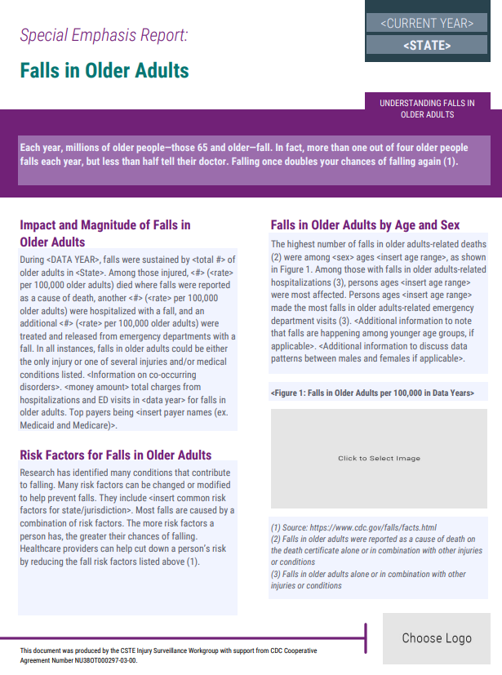
Nonfatal ED Visit Rates per 100,000 (remove this title when dropping into SER PDF)
 | 65-74 | 75-84 | 85+
2017 | 2821.1 | 5573.4 | 11606.4
2018 | 3045.4 | 5920.4 | 12761.2
2019 | 2463.5 | 4772.8 | 11627.7
2020 | 2309.6 | 4738.3 | 9964
2021 |  |  | 10497.4
Current year
ADDING GRAPHS TO PDF FORM:
Select and copy the Excel graph, then open Word and choose Paste > Paste Special and insert the graph into the document as a .png file. Next, right click on that image and select "Save as Picture." Choose a convenient location to save the file, such as your desktop. Return to the PDF form, click on the button to insert the image, and follow the prompts to select your image file. Please ensure your PDF editor is up to date to fill out the SER form. Refer to the demo recording from CSTE for additional guidance on filling in the SER form.

 | Choose 1 graph for Figure 1, graphs for ED visits, hospitalizations, and deaths are available here for you to choose

Total deaths count and rate for data year

Total hospitalization count and rate for data year

Total ED visit count and rate for data year
Nonfatal Hospitalizations Rates per 100,000 (remove this title when dropping into SER PDF)
 | 65-74 | 75-84 | 85+
0
0 | 0 | 0 | 0
0 | 0 | 0 | 0
0 | 0 | 0 | 0
0 | 480 | 1,396 | 3,520
Death Rates per 100,000 (remove this title when dropping into SER PDF)
 | 65-74 | 75-84 | 85+
0 | 0 | 0 | 0
0 | 0 | 0 | 0
0 | 0 | 0 | 0
0 | 0 | 0 | 0
0 | 0 | 0 | 0

Sex and age group with highest death count for data year

Age group with highest Hospitalizations rate

Age group with highest ED visit rate

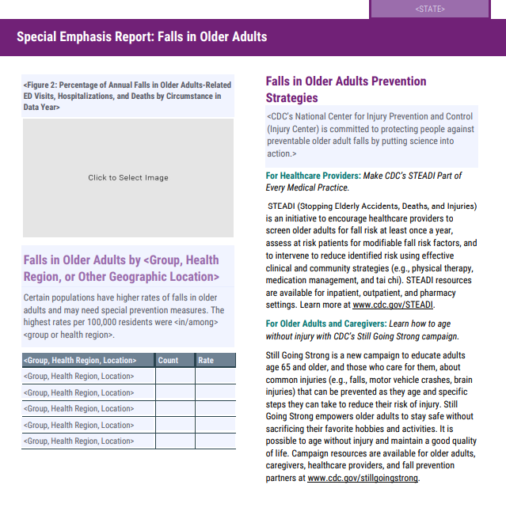

Percentage of Annual Falls in Older Adults-Related ED Visits, Hospitalizations, and Deaths by Circumstance in <Data Year>
 | Hip Fracture | TBI
ED Visits | 1% | 11%
Hospitalizations | 40% | 19%
Deaths

Reference Tab L_Figure 3 (Health Regions) and Tab L_Figure 3 (Race_Ethnicity) to fill in "Falls in Older Adults by <Group, Health Region, or other Geographic Location>

