A_Instructions
Preparing the Firearms Special Emphasis Report is a three step process:
Step 1 is to prepare your state/territory data on firearms, organized by intent (Intentional, Unintentional, Interpersonal Violence, Legal Intervention, Undetermined)
Step 2 is to enter the data in this spreadsheet in tabs 1 through 6
Step 3 is to create the SER by populating the PDF template with the appropriate data
Step 1: Preparing State/Territory Data |  |  | Step 2: Entering Data | Step 3: Creating Special Emphasis Report
Use the ICD-10 codes listed below to create your data set for entering in the spreadsheet. Each ICD-10 code should be categorized by sex, demographic data, and intent (Intentional, Unintentional, Interpersonal Violence, Legal Intervention, Undetermined). You will need to create a data set for each of your five most recent years of data.
1. Open the "B_Populations" tab
1.1 - Enter your state or territory name in cell A4 and data year in cell D4
1.2 - Enter your state or territory population data by age group in columns B, D, and F
1.3 - Enter state or territory population data by race/ethnicity in columns H through T. If your state uses different race/ethnicity categories, enter them into the appropriate cell
2. Optional: "C_Health Regions" tab
2.1 - Enter the name of each health region (if applicable)
2.2 - Enter the population data for each health region
3. Optional: "D_Urban-Rural" tab
3.1 - Enter the population data for each urban-rural classification category (NCHS data)
4. Open the "5_Year 5" tab: This will be the most recent year that you have data for
4.1 - Enter the number of Firearm-related injuries based on Intentional, Unintentional, Interpsonal Violence, Legal Intervention, and Undetermined in columns C (total), D (male), and E (female) categorized by hospitalizations, ED visits, and deaths
4.2 - Enter the same data organized by race/ethnicity in columns F through L
4.3 - Optional: Enter the same data organized by region
5. Open the "4_Year 4", "3_Year 3", "2_Year 2", "1_Year 1" tabs: These tabs represent your prior years' data (if your most recent year is 2020, year 4 will be 2019, etc.)
5.1 - Repeat steps 3.1 through 3.3 for each of these tab
6. Open the "6_Firearm Deaths by Type" tab
6.1 - Enter the number of deaths by type of firearm in columns C, E, and G
1. Open the PDF SER template
2. Open the "Report" tab
2.1 - The PDF SER template includes fields that will be populated according to the data you have entered in the spreadsheet. Follow the instructions in the "Report" tab and populate the PDF SER template with the appropriate data. You will need to copy and paste some of the graphs and charts from the report tab into your SER - instructions for how to do this are embedded in the tab.

Name | ICD-10 code | ICD-10 notes
1a. Create a Nonfatal Hospital Discharge Data Subset - includes records that have one of the following ICD-10 injury diagnosis codes* in the principal diagnosis field

ICD-10 injury diagnosis codes* *Only include cases if the 7th character of the code is A, B, C, or missing (reflects initial encounter, active treatment). T30-T32 do not have a 7th character | S00-S99 | Anatomic injuries
 | T07-T34 | Foreign bodies, burns, corrosions, frostbite
 | T36-T50 with a 6th character of 1, 2, 3, or 4 | Poisoning by drugs, medicaments, and biological substances (Includes accidental, intentional self-harm, assault, and underdetermined intents; Excludes adverse effects and underdosing) Note: Include T36.9, T37.9, T39.9, T41.4, T42.7, T43.9, T45.9, T47.9, and T49.9 with a 5th character of 1, 2, 3, or 4 (Intent information for these codes is included in the 5th character and not the 6th)
 | T51-T65 | Toxic effects of substances nonmedicinal as to source
 | T66-T76 | Other and unspecified effects of external causes
 | T79 | Certain early complications of trauma, not elsewhere classified
 | O9A.2-O9A.5 | Traumatic injuries and abuse complicating pregnancy, childbirth, and the puerperium
 | T84.04** | Periprosthetic fracture around internal prosthetic joint * T84.04 was retired and replaced by M97 in the FY2017 version of ICD-10-CM which went into effect on Oct 1, 2016
 | M97 | Periprosthetic fracture around internal prosthetic joint
1b. Create a Nonfatal Unintentional Firearm-related Hospitalizations Data Subset - Includes data for nonfatal hospitalizations from the injury hospital discharge subset with any of the following ICD-10 external cause-of-injury codes in any field

ICD-10 Codes* for Firearm-related Injuries *Only include cases if the 7th character of the code is A or missing (reflects initial encounter, active treatment) | W32, W33, W34.00, W34.09, W34.10, W34.19 | Accidental discharge or malfunction of firearm
 | X72, X73, X74.8, X74.9 | Intentional self-harm by firearm
 | X93, X94, X95.8, X95.9 | Assault by firearm
 | Y38.4 | Terrorism involving firearms
 | Y22, Y23, Y24.8, Y24.9 | Firearm discharge of undetermined intent
 | Y35.00-Y35.03, Y35.09 | Legal intervention involving firearm discharge
2a. Create a Nonfatal Emergency Department (ED) Visit Data Subset - includes records that have one of the following ICD-10 diagnosis codes* in any field OR one of the following external cause codes in any field
ICD-10 diagnosis codes* *Only include cases if the 7th character of the code is A, B, C, or missing (reflects initial encounter, active treatment). T30–T32 do not have a 7th character. | S00-S99 | Anatomic injuries
 | T07-T34 | Foreign bodies, burns, corrosions, frostbite
 | T36-T50 with a 6th character of 1, 2, 3, or 4 | Poisoning by drugs, medicaments, and biological substances (Includes accidental, intentional self-harm, assault, and underdetermined intents; Excludes adverse effects and underdosing) Note: Include T36.9, T37.9, T39.9, T41.4, T42.7, T43.9, T45.9, T47.9, and T49.9 with a 5th character of 1, 2, 3, or 4 (Intent information for these codes is included in the 5th character and not the 6th
 | T51-T65 | Toxic effects of substances nonmedicinal as to source
 | T66-T76 | Other and unspecified effects of external causes
 | T79 | Certain early complications of trauma, not elsewhere classified
 | O9A.2-O9A.5 | Traumatic injuries and abuse complicating pregnancy, childbirth, and the puerperium
 | T84.04** | Periprosthetic fracture around internal prosthetic joint **T84.04 was retired and replaced by M97 in the FY2017 version of ICD-10-CM which went into effect on Oct 1, 2016.
 | M97** | Periprosthetic fracture around internal prosthetic joint **T84.04 was retired and replaced by M97 in the FY2017 version of ICD-10-CM which went into effect on Oct 1, 2016.
External cause codes* *Only include cases if the 7th character of the code is A or missing (reflects initial encounter, active treatment) | V00-V99 | Transport accidents
 | W00-X58 | Other external causes of accidental injury
 | X71-X83 | Intentional self-harm
 | X92-Y09 | Assault
 | Y21-Y33 | Event of undetermined intent
 | Y35-Y38 | Legal intervention, operations of war, military operations, and terrorism
2b. Create a Nonfatal Firearm-related ED Visits Data Subset - Includes data for nonfatal ED visits from the injury ED visit subset with any of the following ICD-10 external cause-of-injury codes in any field

ICD-10 Codes* for Firearm-related Injuries *Only include cases if the 7th character of the code is A or missing (reflects initial encounter, active treatment) | W32, W33, W34.00, W34.09, W34.10, W34.19 | Accidental discharge or malfunction of firearm
 | X72, X73, X74.8, X74.9 | Intentional self-harm by firearm
 | X93, X94, X95.8, X95.9 | Assault by firearm
 | Y38.4 | Terrorism involving firearms
 | Y22, Y23, Y24.8, Y24.9 | Firearm discharge of undetermined intent
 | Y35.00-Y35.03, Y35.09 | Legal intervention involving firearm discharge
3a. Create a Deaths Data Subset - includes records that have one of the following diagnosis codes in the underlying cause of death field
Injury Fatality ICD-10 Codes | V01-Y36 | Injury and poisoning
 | Y85-Y87
 | Y89
 | U01-U03
3b. Create a Firearm-related Deaths Data Subset showing deaths by type of firearm
...

1_Year 1
Hospitalizations
Hospitalizations
Nonfatal Hospitalizations
2016 | Data Input Tables Instructions: Enter your Firearm-related injury data in the red cells below
 |  |  | Sex Data |  | Demographic Data
 | Type | Number of hospitalizations- Total | Number of hospitalizations- Male | Number of hospitalizations- Female | White-Not Hispanic | Hispanic | Black-Not Hispanic
 | Unintentional
 | Self-Harm
 | Assault
 | Legal intervention/war
 | Undetermined
 | total | 0 | 0 | 0 | 0 | 0 | 0

Emergency Dept Visits
Emergency Dept Visits
Emergency Dept Visits
 |  |  | Sex Data |  | Demographic Data
 | Year | Number of ED visits- Total | Number of ED visits- Male | Number of ED visits- Female | White-Not Hispanic | Hispanic | Black-Not Hispanic
 | Unintentional
 | Self-Harm
 | Assault
 | Legal intervention/war
 | Undetermined
 | total | 0 | 0 | 0 | 0 | 0 | 0

Deaths
Deaths
Deaths
 |  |  | Sex Data |  | Demographic Data
 | Year | Number of deaths- Total | Number of deaths- Male | Number of deaths- Female | White-Not Hispanic | Hispanic | Black-Not Hispanic
 | Unintentional
 | Self-Harm
 | Assault (homicide)
 | Legal intervention/war
 | Undetermined
 | total | 0 | 0 | 0 | 0 | 0 | 0

2_Year 2
Hospitalizations
Emergency Dept Visits
Deaths
Hospitalizations
Emergency Dept Visits
Deaths
Hospitalizations
Emergency Dept Visits
Deaths
Hospitalizations
Emergency Dept Visits
Deaths
Hospitalizations
Emergency Dept Visits
Deaths
Hospitalizations
Emergency Dept Visits
Deaths
Hospitalizations
Emergency Dept Visits
Deaths
Hospitalizations
Hospitalizations
Hospitalizations
Hospitalizations
Hospitalizations
Hospitalizations
2017 | Data Input Tables Instructions: Enter your Firearm-related injury data in the red cells below
 |  |  | Sex Data |  | Demographic Data
 | Type | Number of hospitalizations- Total | Number of hospitalizations- Male | Number of hospitalizations- Female | White-Not Hispanic | Hispanic | Black-Not Hispanic
 | Unintentional
 | Self-Harm
 | Assault
 | Legal intervention/war
 | Undetermined
 | total | 0 | 0 | 0 | 0 | 0 | 0

Emergency Dept Visits
Emergency Dept Visits
Emergency Dept Visits
Emergency Dept Visits
Emergency Dept Visits
Emergency Dept Visits
 |  |  | Sex Data |  | Demographic Data
 | Year | Number of ED visits- Total | Number of ED visits- Male | Number of ED visits- Female | White-Not Hispanic | Hispanic | Black-Not Hispanic
 | Unintentional
 | Self-Harm
 | Assault
 | Legal intervention/war
 | Undetermined
 | total | 0 | 0 | 0 | 0 | 0 | 0

Deaths
Deaths
Deaths
Deaths
Deaths
Deaths
 |  |  | Sex Data |  | Demographic Data
 | Year | Number of deaths- Total | Number of deaths- Male | Number of deaths- Female | White-Not Hispanic | Hispanic | Black-Not Hispanic
 | Unintentional
 | Self-Harm
 | Assault (homicide)
 | Legal intervention/war
 | Undetermined
 | total | 0 | 0 | 0 | 0 | 0 | 0

3_Year 3
Hospitalizations
Emergency Dept Visits
Deaths
Hospitalizations
Emergency Dept Visits
Deaths
Hospitalizations
Emergency Dept Visits
Deaths
Hospitalizations
Emergency Dept Visits
Deaths
Hospitalizations
Emergency Dept Visits
Deaths
Hospitalizations
Emergency Dept Visits
Deaths
Hospitalizations
Emergency Dept Visits
Deaths
Hospitalizations
Emergency Dept Visits
Deaths
Hospitalizations
Emergency Dept Visits
Deaths
Hospitalizations
Hospitalizations
Hospitalizations
Hospitalizations
Hospitalizations
Hospitalizations
2018 | Data Input Tables Instructions: Enter your Firearm-related injury data in the red cells below
 |  |  | Sex Data |  | Demographic Data
 | Type | Number of hospitalizations- Total | Number of hospitalizations- Male | Number of hospitalizations- Female | White-Not Hispanic | Hispanic | Black-Not Hispanic
 | Unintentional
 | Self-Harm
 | Assault
 | Legal intervention/war
 | Undetermined
 | total | 0 | 0 | 0 | 0 | 0 | 0

Emergency Dept Visits
Emergency Dept Visits
Emergency Dept Visits
Emergency Dept Visits
Emergency Dept Visits
Emergency Dept Visits
 |  |  | Sex Data |  | Demographic Data
 | Year | Number of ED visits- Total | Number of ED visits- Male | Number of ED visits- Female | White-Not Hispanic | Hispanic | Black-Not Hispanic
 | Unintentional
 | Self-Harm
 | Assault
 | Legal intervention/war
 | Undetermined
 | total | 0 | 0 | 0 | 0 | 0 | 0

Deaths
Deaths
Deaths
Deaths
Deaths
Deaths
 |  |  | Sex Data |  | Demographic Data
 | Year | Number of deaths- Total | Number of deaths- Male | Number of deaths- Female | White-Not Hispanic | Hispanic | Black-Not Hispanic
 | Unintentional
 | Self-Harm
 | Assault (homicide)
 | Legal intervention/war
 | Undetermined
 | total | 0 | 0 | 0 | 0 | 0 | 0

4_Year 4
Hospitalizations
Emergency Dept Visits
Deaths
Hospitalizations
Emergency Dept Visits
Deaths
Hospitalizations
Emergency Dept Visits
Deaths
Hospitalizations
Emergency Dept Visits
Deaths
Hospitalizations
Emergency Dept Visits
Deaths
Hospitalizations
Emergency Dept Visits
Deaths
Hospitalizations
Emergency Dept Visits
Deaths
Hospitalizations
Emergency Dept Visits
Deaths
Hospitalizations
Emergency Dept Visits
Deaths
Hospitalizations
Hospitalizations
Hospitalizations
Hospitalizations
Hospitalizations
Hospitalizations
2019 | Data Input Tables Instructions: Enter your Firearm-related injury data in the red cells below
 |  |  | Sex Data |  | Demographic Data
 | Type | Number of hospitalizations- Total | Number of hospitalizations- Male | Number of hospitalizations- Female | White-Not Hispanic | Hispanic | Black-Not Hispanic
 | Unintentional
 | Self-Harm
 | Assault
 | Legal intervention/war
 | Undetermined
 | total | 0 | 0 | 0 | 0 | 0 | 0

Emergency Dept Visits
Emergency Dept Visits
Emergency Dept Visits
Emergency Dept Visits
Emergency Dept Visits
Emergency Dept Visits
 |  |  | Sex Data |  | Demographic Data
 | Year | Number of ED visits- Total | Number of ED visits- Male | Number of ED visits- Female | White-Not Hispanic | Hispanic | Black-Not Hispanic
 | Unintentional
 | Self-Harm
 | Assault
 | Legal intervention/war
 | Undetermined
 | total | 0 | 0 | 0 | 0 | 0 | 0

Deaths
Deaths
Deaths
Deaths
Deaths
Deaths
 |  |  | Sex Data |  | Demographic Data
 | Year | Number of deaths- Total | Number of deaths- Male | Number of deaths- Female | White-Not Hispanic | Hispanic | Black-Not Hispanic
 | Unintentional
 | Self-Harm
 | Assault (homicide)
 | Legal intervention/war
 | Undetermined
 | total | 0 | 0 | 0 | 0 | 0 | 0

5_Year 5
Hospitalizations
Emergency Dept Visits
Deaths
Hospitalizations
Emergency Dept Visits
Deaths
Hospitalizations
Emergency Dept Visits
Deaths
Hospitalizations
Emergency Dept Visits
Deaths
Hospitalizations
Emergency Dept Visits
Deaths
Hospitalizations
Emergency Dept Visits
Deaths
Hospitalizations
Emergency Dept Visits
Deaths
Hospitalizations
Emergency Dept Visits
Deaths
Hospitalizations
Emergency Dept Visits
Deaths
Hospitalizations
Hospitalizations
Hospitalizations
Hospitalizations
Hospitalizations
Hospitalizations
2020 | Data Input Tables Instructions: Enter your Firearm-related injury data in the red cells below
 |  |  | Sex Data |  | Demographic Data
 | Type | Number of hospitalizations- Total | Number of hospitalizations- Male | Number of hospitalizations- Female | White-Not Hispanic | Hispanic | Black-Not Hispanic
 | Unintentional
 | Self-Harm
 | Assault
 | Legal intervention/war
 | Undetermined
 | total | 0 | 0 | 0 | 0 | 0 | 0

Emergency Dept Visits
Emergency Dept Visits
Emergency Dept Visits
Emergency Dept Visits
Emergency Dept Visits
Emergency Dept Visits
 |  |  | Sex Data |  | Demographic Data
 | Year | Number of ED visits- Total | Number of ED visits- Male | Number of ED visits- Female | White-Not Hispanic | Hispanic | Black-Not Hispanic
 | Unintentional
 | Self-Harm
 | Assault
 | Legal intervention/war
 | Undetermined
 | total | 0 | 0 | 0 | 0 | 0 | 0

Deaths
Deaths
Deaths
Deaths
Deaths
Deaths
 |  |  | Sex Data |  | Demographic Data
 | Year | Number of deaths- Total | Number of deaths- Male | Number of deaths- Female | White-Not Hispanic | Hispanic | Black-Not Hispanic
 | Unintentional
 | Self-Harm
 | Assault (homicide)
 | Legal intervention/war
 | Undetermined
 | total | 0 | 0 | 0 | 0 | 0 | 0

Optional - Totals
Hospitalizations
Hospitalizations
Hospitalizations
Hospitalizations
Hospitalizations
Hospitalizations
Hospitalizations
Hospitalizations
Hospitalizations
Hospitalizations
Hospitalizations
Hospitalizations
Total for all data years | This tab can be used for data validation. You can directly enter your total numbers of firearm hospitalizations, ED visits, and deaths and compare them against the results in the "Report" tab.
 |  |  | Sex Data |  | Demographic Data
 | Type | Number of hospitalizations- Total | Number of hospitalizations- Male | Number of hospitalizations- Female | White-Not Hispanic | Hispanic | Black-Not Hispanic
 | Unintentional
 | Self-Harm
 | Assault
 | Legal intervention/war
 | Undetermined
 | total | 0 | 0 | 0 | 0 | 0 | 0

Emergency Dept Visits
Emergency Dept Visits
Emergency Dept Visits
Emergency Dept Visits
Emergency Dept Visits
Emergency Dept Visits
Emergency Dept Visits
Emergency Dept Visits
Emergency Dept Visits
Emergency Dept Visits
Emergency Dept Visits
Emergency Dept Visits
 |  |  | Sex Data |  | Demographic Data
 | Year | Number of ED visits- Total | Number of ED visits- Male | Number of ED visits- Female | White-Not Hispanic | Hispanic | Black-Not Hispanic
 | Unintentional
 | Self-Harm
 | Assault
 | Legal intervention/war
 | Undetermined
 | total | 0 | 0 | 0 | 0 | 0 | 0

Deaths
Deaths
Deaths
Deaths
Deaths
Deaths
Deaths
Deaths
Deaths
Deaths
Deaths
Deaths
 |  |  | Sex Data |  | Demographic Data
 | Year | Number of deaths- Total | Number of deaths- Male | Number of deaths- Female | White-Not Hispanic | Hispanic | Black-Not Hispanic
 | Unintentional
 | Self-Harm
 | Assault (homicide)
 | Legal intervention/war
 | Undetermined
 | total | 0 | 0 | 0 | 0 | 0 | 0

Report
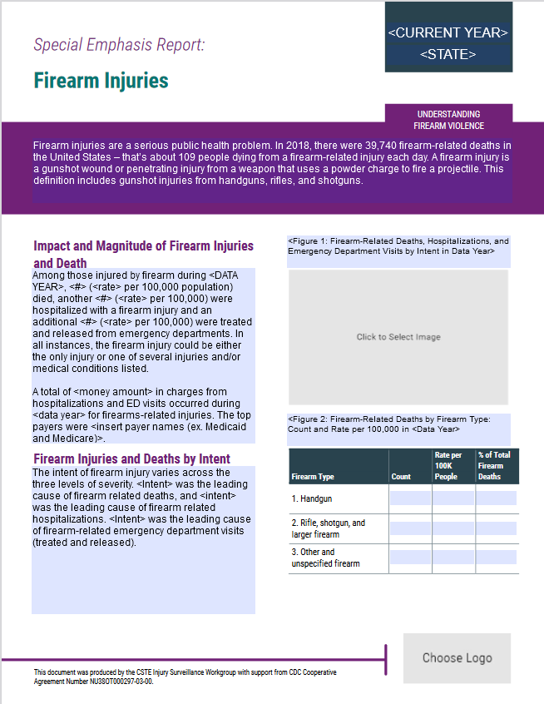

ADDING GRAPHS TO PDF FORM:
Select and copy the Excel graph, then open Word and choose Paste > Paste Special and insert the graph into the document as a .png file. Next, right click on that image and select "Save as Picture." Choose a convenient location to save the file, such as your desktop. Return to the PDF form, click on the button to insert the image, and follow the prompts to select your image file.

 | 0

 | 0

 | 0 |  |  |  |  |  | Intent | Deaths | ED Visits | Hospitalizations
Deaths per 100,000 | 0 |  |  |  |  |  | Unintentional | 0 | 0 | 0
Count of Firearm Hospitalizations | 0 |  |  |  |  |  | Self-Harm | 0 | 0 | 0
Hospitalizations per 100,000 | 0 |  |  |  |  |  | Assault | 0 | 0 | 0
Count of Firearm ED Visits | 0 |  |  |  |  |  | Legal intervention/war | 0 | 0 | 0
ED visits per 100,000 | 0 |  |  |  |  |  | Undetermined | 0 | 0 | 0

Add your state-specific data on charges and top payers
Death
Intent
Unintentional

Hospitalizations
Intent
Unintentional

ED Visits
Intent
Unintentional
 |  |  | Rank | Cause | % of Total Firearm Deaths | Rate per 100k People
 |  |  | 1 | Handgun | #DIV/0! | 0
 |  |  | 2 | Rifle, shotgun, and large firearm | #DIV/0! | 0 | Year
 |  |  | 3 | Other and unspecified firearm | #DIV/0! | 0 | 2016
 |  |  |  |  |  |  | 2017
 |  |  |  |  |  |  | 2018
 |  |  |  |  |  |  | 2019
 |  |  |  |  |  |  | 2020

 |  | Third

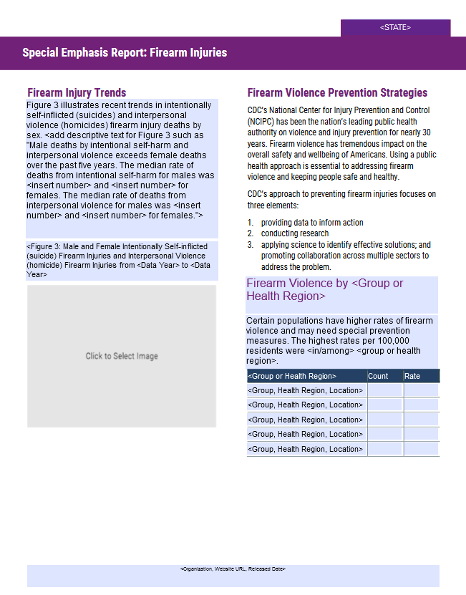
...
Median Deaths - Intentional - Male
Median Deaths - Interpersonal - Male
0
Median Deaths - Interpersonal - Female
0

Select either Chart 1: Demographics or Chart 2: Regions or
Chart 3: Urban/Rural Classification
Note: This pre-populated text is editable to describe your state or territories' data and choice of group, health region, or urban/rural classfication.
Additional text to include if using urban/rural classification data: "Urban/rural classification definitiona can be found on the CDC-NCHS website."

 | Intentionally self-inflicted (Male) | Intentionally self-inflicted (Female) | Interpersonal violence (Male) | Interpersonal violence (Female)
2016 | 0 | 0 | 0 | 0
2017 | 0 | 0 | 0 | 0
2018 | 0 | 0 | 0 | 0
2019 | 0 | 0 | 0 | 0
2020 | 0 | 0 | 0 | 0

Option
1
 |  |  | Rank | Demographic | % of Population | Rate per 100k People
 |  |  | 1 | White-Not Hispanic | #DIV/0! | 0
 |  |  | 2 | Hispanic | #DIV/0! | 0
 |  |  | 3 | Black-Not Hispanic | #DIV/0! | 0
 |  |  | 4 | Asian | #DIV/0! | 0
 |  |  | 5 | American Indian/Alaska Native | #DIV/0! | 0
 |  |  | 6 | Other | #DIV/0! | 0

Option
2
 |  |  | Rank | Regions | % of Population | Rate per 100k People
 |  |  | 1 | Region 1 | #DIV/0! | 0
 |  |  | 2 | Region 2 | #DIV/0! | 0
 |  |  | 3 | Region 3 | #DIV/0! | 0
 |  |  | 4 | Region 4 | #DIV/0! | 0
 |  |  | 5 | Region 5 | #DIV/0! | 0
 |  |  | 6 | Region 6 | #DIV/0! | 0

Option
3
 |  |  | Rank | Urban-Rural Type | % of Population | Rate per 100k People
 |  |  | 1 | Large Central Metro | #DIV/0! | 0
 |  |  | 2 | Large Fringe Metro | #DIV/0! | 0
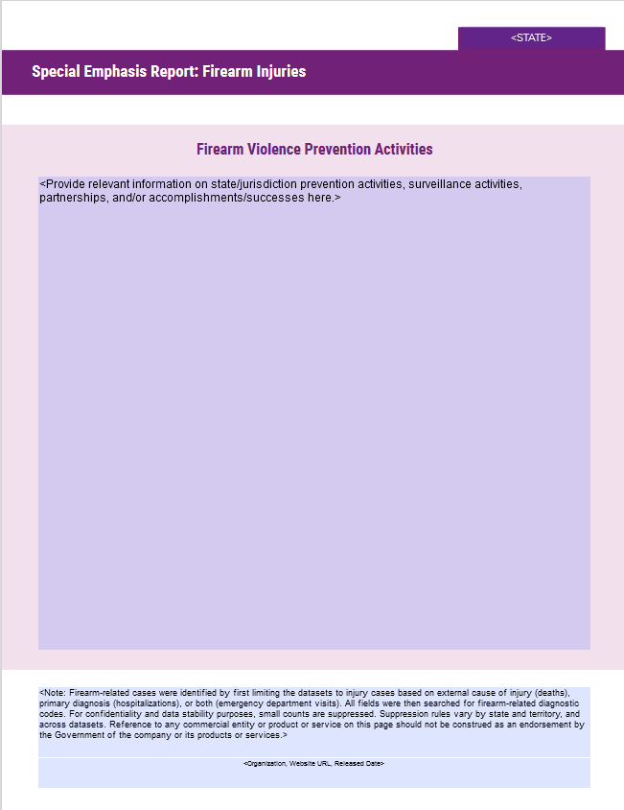
 |  |  | 3 | Medium Metro | #DIV/0! | 0
 |  |  | 4 | Small Metro | #DIV/0! | 0
 |  |  | 5 | Micropolitan | #DIV/0! | 0
 |  |  | 6 | Noncore | #DIV/0! | 0

